Worksheet
REPORT DATE | Givenchy
9/2/25
 |  |  |  |  |  |  |  |  |  |  | 1203
IMAGE | SKU | PRODUCT | GROUP | SEASON | GENDER | COLOR | COMPOSITION | DESC_EN | MADE_IN | RETAIL PRICE | TOT.QTY | TU | XXS | XS | S | M | L | 34 | 35 | 36 | 37 | 37.5 | 38 | 39 | 39.5 | 40 | 41 | 42 | 50 | 52
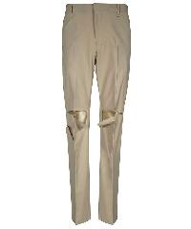 | BM518J14NX_099 | PANT | Clothing | SS | Man | STONE GREY | 58%WO 38%PA 4%EA |  | IT | € 890.00 | 2 |  |  |  |  |  |  |  |  |  |  |  |  |  |  |  |  |  | 1 | 1
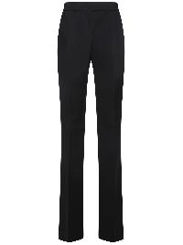 | BW50W112KQ_001 | PANT | Clothing | FW | Woman | BLACK | 86%TA 14%PE |  | IT | € 825.00 | 2 |  |  |  |  |  |  |  |  | 1 |  |  | 1
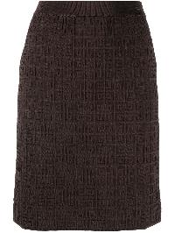 | BW40LL4ZA4_206 | SKIRT | Clothing | SS | Woman | CHOCOLATE | 100%VI |  | IT | € 920.00 | 1 |  |  | 1
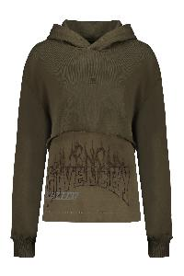 | BWJ03K3ZBJ_309 | Cotton hoodie | Clothing | FW | Woman | verde | 100%CO | Maxi embroidery; Front embroidered logo; Ribbed cuffs; 100% Cotton | PT | € 1490.00 | 1 |  |  | 1
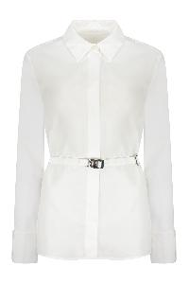 | BW611H1480_100 | Cotton shirt | Clothing | SS | Woman | bianco | 100%CO | Coordinated waist belt; 100% Cotton | IT | € 1050.00 | 1 |  |  |  |  |  |  |  |  |  |  |  | 1
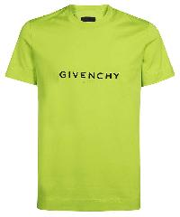 | BM71653Y6B_358 | Cotton T-shirt | Clothing | SS | Man | verde | 100% CO | Ribbed neckline; Front logo print; 100% Cotton | PT | € 390.00 | 1 |  |  |  |  |  | 1
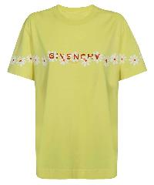 | BW707Z3Z8U_725 | Logo cotton t-shirt | Clothing | FW | Woman | giallo | 100% CO | Front and back print; 100% Cotton | PT | € 550.00 | 1 |  | 1
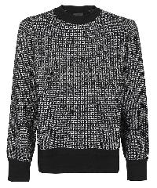 | BM90H84Y9F_004 | Long sleeve crew-neck sweater | Clothing | SS | Man | nero | 55% WO 28% VI 17% PA | All over logo; 55% Wool, 28% Viscose, 17% Polyamide | CN | € 790.00 | 3 |  |  | 1 | 1 |  | 1
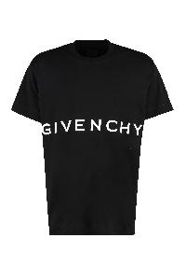 | BM71543Y6B_001 | Oversize cotton t-shirt | Clothing | FW | Man | nero | 100% CO | Ribbed neckline; 100% Cotton | PT | € 590.00 | 35 |  | 35
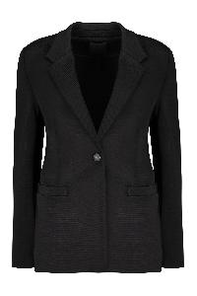 | BW30FL4ZEE_001 | Single-breasted viscose blazer | Clothing | SS | Woman | nero | 2%EA 17%PA 81%VI | Lapel collar; Two front pockets; Hem with back slit; 17% Polyamide, 81% Viscose, 2% Elastane, 100% Cuprammonium rayon | IT | € 2450.00 | 2 |  |  |  | 1 | 1
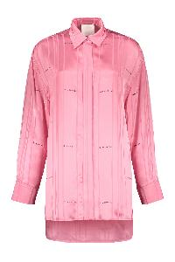 | BW612414PR_670 | Viscose shirt | Clothing | SS | Woman | rosa | 99%VI 1%PA | Striped motif; Embroidered logo inserts; Asymmetric hem with side slits; 1% Polyester, 99% Viscose | IT | € 1750.00 | 1 |  |  |  |  |  |  | 1
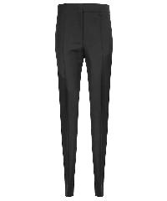 | BW50PH13QB_001 | Wool blend trousers | Clothing | CO | Woman | nero | 73%WO 27%WM | Two front pockets; Two back welt pockets; 27% Mohair, 73% Wool | IT | € 850.00 | 2 |  |  |  |  |  |  | 1 |  | 1
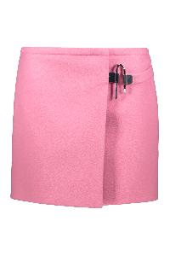 | BW40NJ14ND_670 | Wool mini skirt | Clothing | SS | Woman | rosa | 100%WO | Wrap-around fastening; Silver-tone metal hardware; 73% Acetate, 100% Wool, 27% Silk | IT | € 1050.00 | 2 |  |  |  |  |  |  |  |  | 1 |  |  | 1
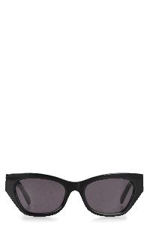 | BR006DR03M_001 | 4G sunglasses | Accessories | SS | Woman | nero | 100% AC | Length frame: 15cm; Height frame: 4,5 cm; 100% Acetate | IT | € 310.00 | 27 | 27
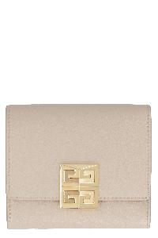 | BB60JCB1PA_257 | Calf leather wallet | Accessories | SS | Woman | beige | 100% CALF LE | 100% LAMB LE | Closure with frontal flap; Zippered coin pocket; Bill compartment; Six card slots; Leather lining; Gold-tone metal hardware; Width: 11 cm; Height: 9,5 cm; Depth: 2 cm; 100% Calf, 100% Lamb | IT | € 410.00 | 1 | 1
 | BR007GR04A_650 | Giv Cut sunglasses | Accessories | SS | Man | rosa | 100% PA | Length frame: 16 cm; Height frame: 5,5 cm; 100% Polyamide | IT | € 450.00 | 9 | 9
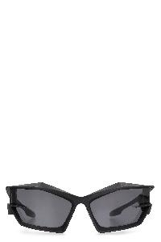 | BR007GR04A_001 | Giv Cut sunglasses | Accessories | SS | Man | nero | 100% PA | Length frame: 16 cm; Height frame: 5,5 cm; 100% Polyamide | IT | € 450.00 | 146 | 146
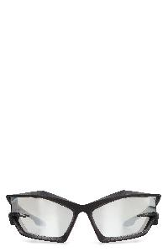 | BR007GR04A_008 | Giv Cut sunglasses | Accessories | SS | Man | nero | 100% PA | Length frame: 16 cm; Height frame: 5,5 cm; 100% Polyamide | IT | € 450.00 | 242 | 242
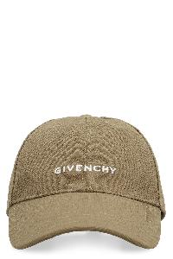 | BGZ02KG042_313 | Logo baseball cap | Accessories | SS | Man | kaki | 100% CO | 100% CU | Adjustable size; 100% Cotton | IT | € 375.00 | 5 | 5
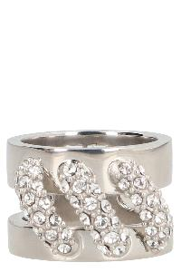 | BF30JCF005_040 | Stitch crystal ring | Accessories | FW | Woman | argento | 100% BR | Ring size conversion Givenchy::; 50 mm; 52 mm; 54 mm; 56 mm; 58 mm; 100% Brass, 100% Crystal | IT | € 350.00 | 11 | 11
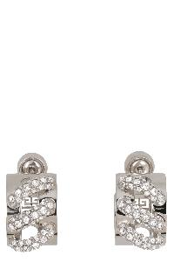 | BF10ZNF005_040 | Stitch Embellished earrings | Accessories | FW | Woman | argento | 100% BR | Back logo plaque; 100% Brass, 100% Crystal | IT | € 490.00 | 6 | 6
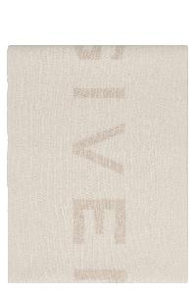 | BG00D3G00V_110 | Wool and cashemre scarf | Accessories | SS | Man | bianco | 70% WO 30% WS | Size: 36x180 cm; 70% Wool, 30% Cashmere | IT | € 490.00 | 112 | 112
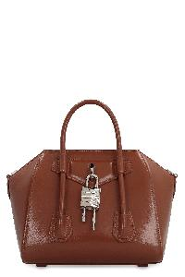 | BB50J0B00D_913 | Antigona Lock Mini Leather handbag | Bags | FW | Woman | marrone | 100% CALF LE | 78% VI 17% PA 5% PC | Box Smooth calfskin item; Two leather handles; Decorative lock at front; Magnetic fastening; One internal flat pocket; Internal zippered pocket; Adjustable and removable leather shoulder strap; Silver-tone metal hardware; Fabric lining; Width: 29 cm; Height: 20 cm; Depth: 13 cm; Strap: 100 cm; 100% Calf | IT | € 1750.00 | 79 | 79
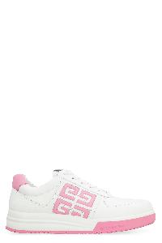 | BE0030E1L9_149 | G4 low-top sneakers | Shoes | FW | Woman | bianco | 100%LH | Round toeline; Contrasting color leather inserts; 100% Calf, 100% Rubber | PT | € 595.00 | 1 |  |  |  |  |  |  |  |  |  |  |  |  |  |  | 1
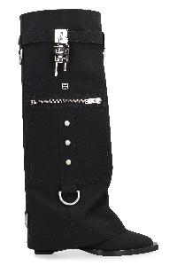 | BE702YE1ZQ_001 | Knee-boots | Shoes | FW | Woman | nero | UPPER: 70 % CO 30 % PU SOLE: 100% CALF LE | Decorative side padlock; Zippered side pocket; Square toeline; 70% Polyurethane, 30% Leather | IT | € 2495.00 | 21 |  |  |  |  |  |  |  |  | 3 | 9 |  |  |  |  | 9
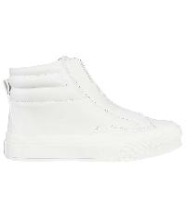 | BE002PE1EM_100 | Leather high-top sneakers | Shoes | FW | Woman | bianco | UPPER: 100% CALF LE SOLE: 100% EL | Round toeline; 100% Calf, 100% Rubber | IT | € 750.00 | 5 |  |  |  |  |  |  |  |  | 1 |  | 1 | 1 | 1 | 1
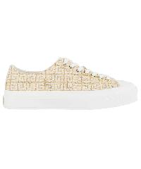 | BE001NE1CV_250 | Low-top sneakers | Shoes | FW | Woman | bianco | UPPER: 52% CO 48% PA SOLE: 100% EL | Round toeline; 52% Cotton, 48% Polyamide, 100% Rubber | IT | € 650.00 | 2 |  |  |  |  |  |  |  |  | 1 |  |  |  |  |  | 1
 | BE305BE1DA_540 | Marshmallow Platform sandals | Shoes | SS | Woman | lilla | UPPER: 100 % EL SOLE: 100 % EL | Round toeline; Platform height: 4,5 cm; 100% Rubber | IT | € 495.00 | 2 |  |  |  |  |  |  |  |  | 1 | 1
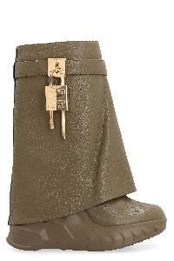 | BE603SE1L0_313 | Shark Lock Biker leather ankle boots | Shoes | SS | Woman | verde | UPPER: 100 % CALF LE SOLE: 60 % VI 40 % PU | Decorative side padlock; Side zip closure; Grainy leather upper; Round toeline; 100% Calf, 40% Viscose, 60% Polyurethane | IT | € 1395.00 | 1 |  |  |  |  |  |  |  |  | 1
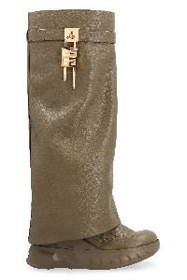 | BE7031E1L0_313 | Shark Lock Biker leather ankle boots | Shoes | FW | Woman | verde | UPPER: 100 % CALF LE SOLE: 100% CALF LE | Decorative side padlock; Side zip closure; Grainy leather upper; Round toeline; 100% Calf, 40% Viscose, 60% Polyurethane | IT | € 1695.00 | 9 |  |  |  |  |  |  |  | 1 | 5 | 3
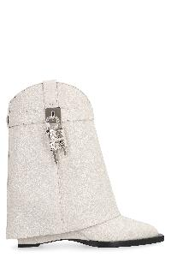 | BE6048E1UA_105 | Shark Lock Cowboy Leather ankle boots | Shoes | FW | Woman | bianco | UPPER: 100 % BULL LE SOLE: 100& BULL LE | Item in bullhide leather; Pointy toe; Decorative side padlock; 100% Leather | IT | € 2095.00 | 3 |  |  |  |  |  |  |  |  | 2 |  |  | 1
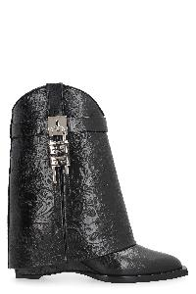 | BE6048E1WY_001 | Shark Lock Cowboy leather ankle boots | Shoes | FW | Woman | nero | UPPER: 100 % CALF LE SOLE: 60 % PU 40 % VI | Decorative side padlock; Side zip closure; Western motif leather item; Square toeline; 100% Calf, 40% Viscose, 60% Polyurethane | IT | € 2295.00 | 62 |  |  |  |  |  |  |  |  | 5 | 3 |  | 17 | 14 |  | 15 | 4 | 4
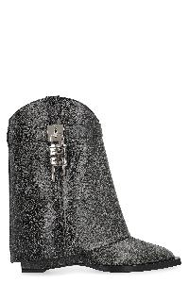 | BE6048E1WZ_001 | Shark Lock Cowboy Leather ankle boots | Shoes | FW | Woman | nero | UPPER: 100 % BULL LE SOLE: 60 % PU 40 % VI | Item in bullhide leather; Pointy toe; Decorative side padlock; 100% Leather | IT | € 2095.00 | 404 |  |  |  |  |  |  |  | 3 | 5 | 12 |  | 153 | 111 |  | 54 | 29 | 37
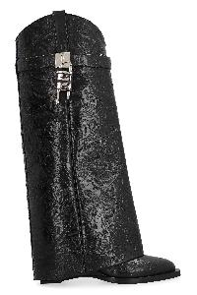 | BE702YE1U9_001 | Shark Lock Cowboy Leather boots | Shoes | FW | Woman | nero | UPPER: 100 % CALF LE SOLE: 60 % PU 40 % VI | Pointy toe; Western All-over motif; Decorative side padlock; 100% Calf | IT | € 2495.00 | 1 |  |  |  |  |  |  |  |  |  |  |  | 1

